Methodology
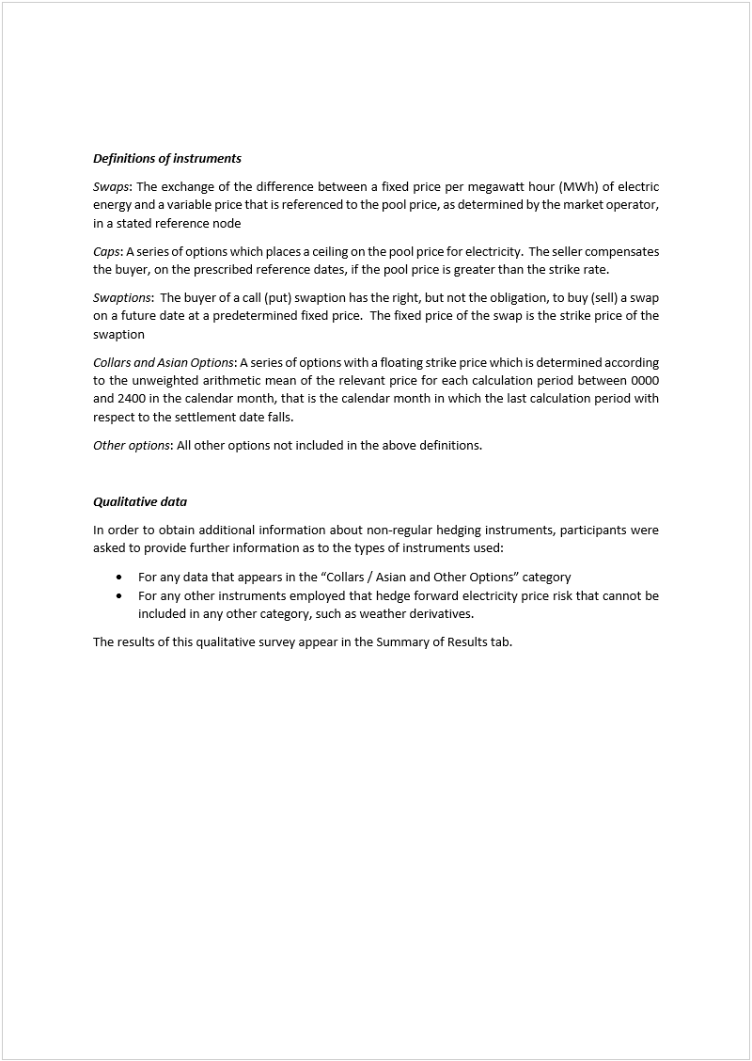
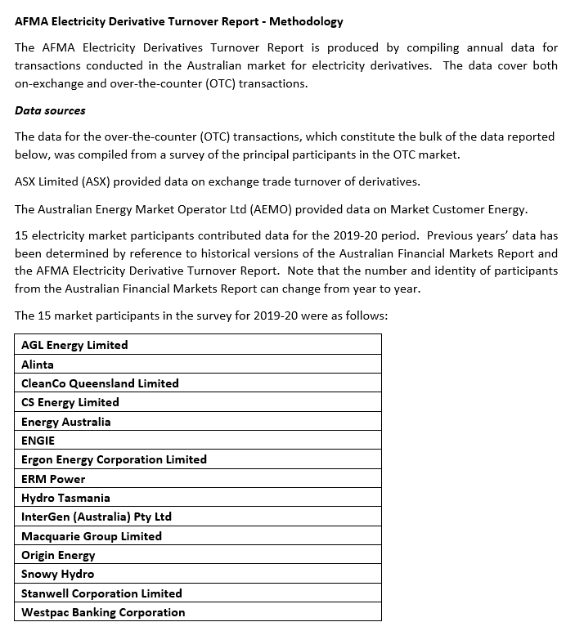
 | Disclaimer: The data used to compile this report has been provided by OTC market participants and by ASX and AEMO. Whilst every care has been taken by AFMA in preparing the content of this report it only provides general information about the market and is not intended for the purpose of providing data for reference rates. AFMA will not be liable for errors or omissions in the content, or for any consequences resulting from any errors or omissions, including any loss resulting from reliance on this content.

2020 AFMR Electricity
Chart 1: Electricity Markets Turnover
Electricity - OTC and Exchange Traded Markets

Table 1 |  |  |  | Disclaimer: The data used to compile this report has been provided by OTC market participants and by ASX. Whilst every care has been taken by AFMA in preparing the content of this report it only provides general information about the market and is not intended for the purpose of providing data for reference rates. AFMA will not be liable for errors or omissions in the content, or for any consequences resulting from any errors or omissions, including any loss resulting from reliance on this content.
Electricity Markets Turnover (million megawatt hours)
Survey Year | Total Electricity: OTC | Total Electricity: ASX | Aggregate Turnover
2006-07 | 338.0 | 243.0 | 581.0
2007-08 | 305.0 | 240.8 | 545.8
2008-09 | 208.0 | 300.8 | 508.8
2009-10 | 221.0 | 398.9 | 619.9
2010-11 | 314.6 | 548.6 | 863.2
2011-12 | 227.0 | 436.9 | 663.9
2012-13 | 291.2 | 341.7 | 632.9
2013-14 | 250.8 | 386.7 | 637.5
2014-15 | 73.2 | 446.2 | 519.4
2015-16 | 111.0 | 389.0 | 500.0
2016-17 | 118.8 | 392.4 | 511.2
Chart 2: State OTC Turnover
2017-18 | 108.7 | 333.0 | 441.8
2018-19 | 107.8 | 476.1 | 584.0
2019-20 | 117.6 | 734.4 | 852.0
% change | 9.1 | 54.2 | 45.9

Table 2
State OTC Turnover (million megawatt hours)
Survey Year | NSW | VIC | SA | QLD | TOTAL OTC
2006-07 | 128.0 | 77.0 | 14.0 | 119.0 | 338.0
2007-08 | 100.0 | 139.0 | 13.0 | 53.0 | 305.0
2008-09 | 59.0 | 48.0 | 10.0 | 91.0 | 208.0
2009-10 | 84.0 | 60.7 | 21.4 | 54.9 | 221.0
2010-11 | 197.2 | 45.2 | 25.8 | 46.4 | 314.6
2011-12 | 95.2 | 52.6 | 3.3 | 75.9 | 227.0
2012-13 | 98.2 | 52.4 | 5.8 | 134.8 | 291.2
2013-14 | 85.3 | 57.3 | 6.0 | 102.2 | 250.8
2014-15 | 25.0 | 11.5 | 3.9 | 32.8 | 73.2
2015-16 | 36.3 | 25.6 | 13.1 | 36.0 | 111.0
Chart 3: OTC Turnover by Instrument
2016-17 | 23.1 | 45.8 | 10.9 | 39.0 | 118.8
2017-18 | 30.0 | 24.9 | 5.3 | 48.6 | 108.7
2018-19 | 18.2 | 18.0 | 4.2 | 67.5 | 107.8
2019-20 | 21.1 | 47.3 | 6.6 | 42.7 | 117.6
% change | 15.6 | 163.6 | 57.9 | (36.8) | 9.1

Table 3
OTC Turnover by Instrument (million megawatt hours)
Instruments | 2015-16 | 2016-17 | 2017-18 | 2018-19 | 2019-20
Swaps | 84.4 | 92.1 | 92.1 | 90.3 | 87.6
Caps | 17.2 | 19.4 | 10.8 | 13.8 | 23.9
Swaptions | 3.4 | 3.7 | 2.2 | 2.2 | 3.0
Collars / Asian and Other Options | 5.9 | 3.6 | 3.7 | 1.5 | 3.2
Total | 111.0 | 118.8 | 108.7 | 107.8 | 117.6

Table 4
OTC Turnover Summary (million megawatt hours)
Survey Year | Survey Respondents | Other Counterparties | Total | ≤ 12 months (%) | > 12 months (%)
Swaps
2013-14 |  |  | 195.3 | 73.2 | 26.8
2014-15 | 18.6 | 40.1 | 58.6 | 94.8 | 5.2
2015-16 | 47.3 | 37.1 | 84.4 | 55.6 | 44.4
2016-17 | 45.8 | 46.3 | 92.1 | 39.9 | 60.1
Chart 4: Annual Turnover Exchange Traded Instruments
2017-18 | 63.0 | 29.1 | 92.1 | 37.2 | 62.8
2018-19 | 54.5 | 35.9 | 90.3 | 45.1 | 54.9
2019-20 | 62.6 | 25.0 | 87.6 | 39.8 | 60.2
% change | 14.9 | (30.3) | (3.0) | -11.7 | 9.6
Caps
2013-14 |  |  | 33.2 | 53.0 | 47.0
2014-15 | 2.5 | 8.5 | 11.0 | 97.5 | 2.5
2015-16 | 10.8 | 6.4 | 17.2 | 73.4 | 26.6
2016-17 | 15.2 | 4.3 | 19.4 | 34.8 | 65.2
2017-18 | 4.5 | 6.2 | 10.8 | 80.1 | 19.9
2018-19 | 7.2 | 6.6 | 13.8 | 80.1 | 19.9
2019-20 | 18.4 | 5.5 | 23.9 | 25.6 | 74.4
% change | 156.8 | (17.3) | 73.1 | -68.0 | 272.9
Swaptions (receivers/payers)
2013-14 |  |  | 13.8 | 61.1 | 38.9
2014-15 | 0.3 | 1.0 | 1.3 | 100.0 | 0.0
2015-16 | 3.0 | 0.4 | 3.4 | 62.6 | 37.4
2016-17 | 2.6 | 1.0 | 3.7 | 76.6 | 23.4
2017-18 | 1.3 | 0.9 | 2.2 | 40.4 | 59.6
2018-19 | 1.2 | 1.0 | 2.2 | 4.8 | 95.2
2019-20 | 2.4 | 0.5 | 3.0 | 5.8 | 94.2
% change | 111.0 | (48.1) | 36.2 | 21.4 | -1.1
Collars / Asian and Other Options
2013-14 |  |  | 8.5 | 97.5 | 2.5
2014-15 | 0.4 | 1.9 | 2.3 | 100.0 | 0.0
2015-16 | 2.9 | 3.0 | 5.9 | 75.1 | 24.9
2016-17 | 2.9 | 0.7 | 3.6 | 94.9 | 5.1
2017-18 | 0.5 | 3.2 | 3.7 | 13.5 | 86.5
2018-19 | 0.7 | 0.8 | 1.5 | 58.4 | 41.6
2019-20 | 1.5 | 1.7 | 3.2 | 53.2 | 46.8
% change | 106.6 | 106.5 | 106.5 | -8.9 | 12.5
Total - OTC Electricity
2013-14 |  |  | 250.8 | 71.5 | 28.5
2014-15 | 21.7 | 51.5 | 73.2 | 95.4 | 4.6
2015-16 | 64.1 | 47.0 | 111.0 | 59.7 | 40.3
2016-17 | 66.5 | 52.3 | 118.8 | 42.1 | 57.9
2017-18 | 69.3 | 39.4 | 108.7 | 40.4 | 59.6
2018-19 | 63.5 | 44.4 | 107.8 | 48.8 | 51.2
2019-20 | 84.9 | 32.7 | 117.6 | 36.3 | 63.7
% change | 33.7 | (26.2) | 9.1 | -25.6 | 24.4

Table 5
NSW OTC Turnover Summary (million megawatt hours)
Survey Year | Survey Respondents | Other Counterparties | Total | ≤ 12 months (%) | > 12 months (%)
Swaps
2013-14 |  |  | 68.9 | 100.0 | 0.0
2014-15 | 8.7 | 13.4 | 22.0 | 90.0 | 10.0
2015-16 | 11.4 | 19.4 | 30.8 | 62.1 | 37.9
2016-17 | 9.8 | 8.5 | 18.3 | 35.0 | 65.0
2017-18 | 16.8 | 8.8 | 25.6 | 27.8 | 72.2
2018-19 | 8.9 | 4.0 | 12.9 | 53.9 | 46.1
2019-20 | 9.6 | 6.3 | 15.9 | 45.2 | 54.8
% change | 8.2 | 55.3 | 22.9 | -16.1 | 18.8
Caps
2013-14 |  |  | 10.9 | 100.0 | 0.0
2014-15 | 1.8 | 0.3 | 2.1 | 91.5 | 8.5
2015-16 | 2.9 | 2.0 | 5.0 | 83.4 | 16.6
2016-17 | 4.0 | 0.7 | 4.6 | 35.0 | 65.0
2017-18 | 2.4 | 1.3 | 3.8 | 82.2 | 17.8
2018-19 | 3.4 | 1.0 | 4.4 | 84.4 | 15.6
2019-20 | 1.5 | 0.9 | 2.4 | 93.6 | 6.4
% change | (55.7) | (9.4) | (45.4) | 10.9 | -58.9
Swaptions (receivers/payers)
2013-14 |  |  | 4.3 | 100.0 | 0.0
2014-15 | 0.3 | - | 0.3 | 100.0 | 0.0
2015-16 | 0.2 | - | 0.2 | 100.0 | 0.0
2016-17 | - | 0.2 | 0.2 | 0.0 | 100.0
2017-18 | - | 0.2 | 0.2 | 0.0 | 100.0
2018-19 | 0.2 | 0.3 | 0.5 | 0.6 | 99.4
2019-20 | 2.1 | - | 2.1 | 0.0 | 100.0
% change | 859.2 | (100.0) | 331.9 | -100.0 | 0.6
Collars / Asian and Other Options
2013-14 |  |  | 1.2 | 100.0 | 0.0
2014-15 | 0.1 | 0.4 | 0.5 | 100.0 | 0.0
2015-16 | - | 0.2 | 0.2 | 100.0 | 0.0
2016-17 | - | - | - | 0.0 | 0.0
2017-18 | 0.3 | 0.0 | 0.3 | 5.7 | 94.3
2018-19 | 0.2 | 0.2 | 0.4 | 31.9 | 68.1
2019-20 | 0.7 | 0.0 | 0.7 | 3.6 | 96.4
% change | 204.6 | (97.9) | 58.3 | -88.7 | 41.6
Total - OTC Electricity
2013-14 |  |  | 85.3 | 100.0 | 0.0
2014-15 | 10.9 | 14.1 | 25.0 | 90.5 | 9.5
2015-16 | 14.6 | 21.7 | 36.3 | 65.9 | 34.1
2016-17 | 13.7 | 9.3 | 23.1 | 30.9 | 69.1
2017-18 | 19.6 | 10.4 | 30.0 | 34.2 | 65.8
2018-19 | 12.7 | 5.5 | 18.2 | 59.8 | 40.2
2019-20 | 13.9 | 7.2 | 21.1 | 43.5 | 56.5
% change | 9.2 | 30.5 | 15.6 | -27.2 | 40.6 | `

Table 6
VIC OTC Turnover Summary (million megawatt hours)
Survey Year | Survey Respondents | Other Counterparties | Total | ≤ 12 months (%) | > 12 months (%)
Swaps
2013-14 |  |  | 37.9 | 82.5 | 17.5
2014-15 | 4.2 | 6.4 | 10.6 | 96.5 | 3.5
2015-16 | 14.0 | 5.7 | 19.7 | 66.5 | 33.5
2016-17 | 12.3 | 24.9 | 37.2 | 42.5 | 57.5
2017-18 | 10.3 | 10.8 | 21.1 | 57.1 | 42.9
2018-19 | 12.7 | 1.7 | 14.4 | 66.0 | 34.0
2019-20 | 23.7 | 6.2 | 30.0 | 49.0 | 51.0
% change | 86.7 | 267.0 | 108.0 | -25.9 | 50.3
Caps
2013-14 |  |  | 14.7 | 38.8 | 61.2
2014-15 | 0.0 | 0.1 | 0.1 | 100.0 | 0.0
2015-16 | 3.5 | 0.5 | 4.0 | 63.9 | 36.1
2016-17 | 5.6 | 0.3 | 5.9 | 31.1 | 68.9
2017-18 | 0.9 | 2.3 | 3.2 | 82.7 | 17.3
2018-19 | 2.3 | 0.5 | 2.8 | 79.6 | 20.4
2019-20 | 15.3 | 0.9 | 16.2 | 8.3 | 91.7
% change | 573.6 | 67.5 | 480.8 | -89.6 | 350.4
Swaptions (receivers/payers)
2013-14 |  |  | 3.6 | 31.7 | 68.3
2014-15 | - | 0.5 | 0.5 | 100.0 | 0.0
2015-16 | 0.9 | - | 0.9 | 100.0 | 0.0
2016-17 | 1.3 | 0.3 | 1.5 | 90.0 | 10.0
2017-18 | - | 0.5 | 0.5 | 89.3 | 10.7
2018-19 | 0.2 | 0.3 | 0.5 | 4.8 | 95.2
2019-20 | - | 0.1 | 0.1 | 100.0 | 0.0
% change | (100.0) | (71.6) | (83.4) | 1979.9 | -100.0
Collars / Asian and Other Options
2013-14 |  |  | 1.1 | 86.6 | 13.4
2014-15 | 0.0 | 0.3 | 0.3 | 100.0 | 0.0
2015-16 | 0.9 | 0.0 | 1.0 | 100.0 | 0.0
2016-17 | 1.1 | 0.1 | 1.2 | 100.0 | 0.0
2017-18 | - | 0.1 | 0.1 | 100.0 | 0.0
2018-19 | 0.2 | 0.0 | 0.2 | 2.5 | 97.5
2019-20 | 0.2 | 0.9 | 1.1 | 100.0 | 0.0
% change | (14.9) | 7,894.6 | 363.7 | 3978.3 | -100.0
Total - OTC Electricity
2013-14 |  |  | 57.3 | 69.0 | 31.0
2014-15 | 4.2 | 7.4 | 11.5 | 96.8 | 3.2
2015-16 | 19.4 | 6.2 | 25.6 | 68.9 | 31.1
2016-17 | 20.2 | 25.6 | 45.8 | 44.6 | 55.4
2017-18 | 11.2 | 13.7 | 24.9 | 60.5 | 39.5
2018-19 | 15.4 | 2.5 | 18.0 | 65.9 | 34.1
2019-20 | 39.3 | 8.1 | 47.3 | 34.9 | 65.1
% change | 154.5 | 218.8 | 163.6 | -47.0 | 90.6

Table 7
SA OTC Turnover Summary (million megawatt hours)
Survey Year | Survey Respondents | Other Counterparties | Total | ≤ 12 months (%) | > 12 months (%)
Swaps
2013-14 |  |  | 4.3 | 87.8 | 12.2
2014-15 | 1.5 | 1.1 | 2.6 | 99.8 | 0.2
2015-16 | 4.9 | 0.7 | 5.6 | 52.2 | 47.8
2016-17 | 4.2 | 0.3 | 4.5 | 59.9 | 40.1
2017-18 | 2.0 | 2.5 | 4.5 | 21.8 | 78.2
2018-19 | 1.4 | 2.2 | 3.6 | 44.5 | 55.5
2019-20 | 2.8 | 2.0 | 4.7 | 51.9 | 48.1
% change | 98.7 | (13.0) | 29.9 | 16.6 | -13.3
Caps
2013-14 |  |  | 1.1 | 38.2 | 61.8
2014-15 | 0.3 | 0.7 | 1.1 | 100.0 | 0.0
2015-16 | 3.1 | 0.2 | 3.4 | 64.3 | 35.7
2016-17 | 3.3 | 0.0 | 3.3 | 53.7 | 46.3
2017-18 | 0.2 | 0.4 | 0.6 | 100.0 | 0.0
2018-19 | 0.0 | 0.4 | 0.4 | 100.0 | 0.0
2019-20 | 0.8 | 0.9 | 1.8 | 49.8 | 50.2
% change | 3,650.0 | 130.9 | 306.7 | -50.2 | na
Swaptions (receivers/payers)
2013-14 |  |  | 0.3 | 81.4 | 18.6
2014-15 | - | - | - | 0.0 | 0.0
2015-16 | 1.0 | - | 1.0 | 78.3 | 21.7
2016-17 | 1.1 | - | 1.1 | 100.0 | 0.0
2017-18 | 0.1 | 0.2 | 0.2 | 100.0 | 0.0
2018-19 | - | 0.0 | 0.0 | 100.0 | 0.0
2019-20 | - | 0.0 | 0.0 | 100.0 | 0.0
% change | na | (33.3) | (33.3) | 0.0 | na
Collars / Asian and Other Options
2013-14 |  |  | 0.3 | 68.4 | 31.6
2014-15 | 0.0 | 0.2 | 0.3 | 100.0 | 0.0
2015-16 | 1.4 | 1.7 | 3.1 | 80.4 | 19.6
2016-17 | 1.8 | 0.2 | 1.9 | 100.0 | 0.0
2017-18 | - | - | - | 0.0 | 0.0
2018-19 | - | 0.1 | 0.1 | 0.0 | 0.0
2019-20 | 0.1 | - | 0.1 | 0.0 | 0.0
% change | na | (100.0) | (16.1) | na | na
Total - OTC Electricity
2013-14 |  |  | 6.0 | 79.8 | 20.2
2014-15 | 1.9 | 2.1 | 3.9 | 99.8 | 0.2
2015-16 | 10.5 | 2.6 | 13.1 | 63.2 | 36.8
2016-17 | 10.4 | 0.5 | 10.9 | 69.3 | 30.7
2017-18 | 2.2 | 3.1 | 5.3 | 32.7 | 67.3
2018-19 | 1.4 | 2.7 | 4.2 | 49.7 | 50.3
2019-20 | 3.6 | 2.9 | 6.6 | 51.9 | 48.1
% change | 156.5 | 6.5 | 57.9 | 4.4 | -4.3

Table 8
QLD OTC Turnover Summary (million megawatt hours)
Survey Year | Survey Respondents | Other Counterparties | Total | ≤ 12 months (%) | > 12 months (%)
Swaps
2013-14 |  |  | 84.2 | 54.4 | 45.6
2014-15 | 4.2 | 19.2 | 23.4 | 98.5 | 1.5
2015-16 | 16.9 | 11.4 | 28.3 | 42.2 | 57.8
2016-17 | 19.5 | 12.6 | 32.1 | 36.6 | 63.4
2017-18 | 33.9 | 7.0 | 40.9 | 35.6 | 64.4
2018-19 | 31.4 | 27.9 | 59.3 | 36.8 | 63.2
2019-20 | 26.4 | 10.5 | 37.0 | 28.6 | 71.4
% change | (15.9) | (62.2) | (37.7) | -22.3 | 13.0
Caps
2013-14 |  |  | 6.5 | 79.7 | 20.3
2014-15 | 0.3 | 7.4 | 7.7 | 100.0 | 0.0
2015-16 | 1.3 | 3.6 | 4.9 | 81.9 | 18.1
2016-17 | 2.4 | 3.3 | 5.7 | 42.3 | 57.7
2017-18 | 1.0 | 2.2 | 3.2 | 71.1 | 28.9
2018-19 | 1.5 | 4.7 | 6.2 | 74.8 | 25.2
2019-20 | 0.7 | 2.8 | 3.5 | 77.4 | 22.6
% change | (50.2) | (40.9) | (43.1) | 3.5 | -10.2
Swaptions (receivers/payers)
2013-14 |  |  | 5.6 | 71.8 | 28.2
2014-15 | - | 0.4 | 0.4 | 100.0 | 0.0
2015-16 | 0.8 | 0.4 | 1.3 | 5.3 | 94.7
2016-17 | 0.2 | 0.6 | 0.8 | 0.0 | 100.0
2017-18 | 1.2 | - | 1.2 | 27.3 | 72.7
2018-19 | 0.7 | 0.4 | 1.2 | 6.0 | 94.0
2019-20 | 0.3 | 0.4 | 0.8 | 20.0 | 80.0
% change | (53.9) | (0.4) | (33.5) | 234.0 | -14.9
Collars / Asian and Other Options
2013-14 |  |  | 5.9 | 100.0 | 0.0
2014-15 | 0.2 | 1.0 | 1.2 | 100.0 | 0.0
2015-16 | 0.5 | 1.1 | 1.6 | 39.4 | 60.6
2016-17 | - | 0.4 | 0.4 | 24.7 | 75.3
2017-18 | 0.2 | 3.0 | 3.3 | 12.5 | 87.5
2018-19 | 0.3 | 0.6 | 0.8 | 95.0 | 5.0
2019-20 | 0.5 | 0.8 | 1.4 | 54.6 | 45.4
% change | 105.4 | 51.1 | 68.8 | -42.5 | 801.2
Total - OTC Electricity
2013-14 |  |  | 102.2 | 59.4 | 40.6
2014-15 | 4.8 | 28.0 | 32.8 | 98.9 | 1.1
2015-16 | 19.6 | 16.4 | 36.0 | 45.1 | 54.9
2016-17 | 22.1 | 16.9 | 39.0 | 36.6 | 63.4
2017-18 | 36.3 | 12.3 | 48.6 | 36.2 | 63.8
2018-19 | 33.9 | 33.6 | 67.5 | 39.7 | 60.3
2019-20 | 28.1 | 14.6 | 42.7 | 32.1 | 67.9
% change | (17.2) | (56.6) | (36.8) | -19.2 | 12.7

Table 9
ASX Market Customer Energy Traded Volumes (million megawatt hours)
Survey Year | Exchange Traded Futures (inc Caps) | Exchange Traded Options | Total
2013-14 | 242.9 | 143.8 | 386.7
2014-15 | 316.4 | 129.8 | 446.2
2015-16 | 266.4 | 122.6 | 389.0
2016-17 | 268.9 | 123.5 | 392.4
2017-18 | 230.6 | 102.5 | 333.0
2018-19 | 308.0 | 168.1 | 476.1
2019-20 | 404.2 | 330.2 | 734.4
% change | 31.2 | 96.4 | 54.2

Data are supplied by ASX Energy

Table 10
Liquidity Ratio (million megawatt hours)
Survey Year | NEM System Demand a | Aggregate Turnover | Ratio

2013-14 | 175.7 | 519.4 | 3.0
2014-15 | 176.7 | 500.0 | 2.8
2015-16 | 180.7 | 511.0 | 2.8
2016-17 | 179.9 | 511.2 | 2.8
2017-18 | 181.7 | 441.8 | 2.4
2018-19 | 181.6 | 584.0 | 3.2
2019-20 | 179.1 | 852.0 | 4.8
% change | (1.4) | 45.9 | 48.0

a NEM System Demand data is supplied by AEMO

Table 11
OTC Trading Concentration
Market Rank | % Market Share a | % Cumulative Share | Top 8 Respondents | % Market Share
1 | 19.2 | 19.2 | 2013-14 | 95.8
2 | 10.2 | 29.4 | 2014-15 | 99.8
3 | 9.9 | 39.3 | 2015-16 | 89.9
4 | 9.6 | 48.9 | 2016-17 | 87.0
5 | 9.3 | 58.1 | 2017-18 | 78.4
6 | 8.7 | 66.9 | 2018-19 | 80.1
7 | 7.6 | 74.5 | 2019-20 | 80.0
8 | 5.5 | 80.0

Table 12
OTC Transaction Characteristics (% dealt through brokers)
Survey Year | Broker Turnover - Survey Respondents | Broker Turnover - Other Counterparties | Total
Swaps
2013-14 | 12.5 | 26.7 | 39.2
2014-15 | 18.2 | 39.2 | 57.4
2015-16 | 23.1 | 16.2 | 39.3
2016-17 | 17.7 | 14.0 | 31.7
2017-18 | 22.9 | 20.7 | 43.5
2018-19 | 35.0 | 5.3 | 40.3
2019-20 | 39.2 | 8.1 | 47.3

Caps
2013-14 | 16.5 | 59.1 | 75.6
2014-15 | 3.9 | 8.4 | 12.3
2015-16 | 21.2 | 0.7 | 21.8
2016-17 | 10.1 | 11.8 | 21.9
2017-18 | 6.8 | 29.7 | 36.5
2018-19 | 7.6 | 1.0 | 8.6
2019-20 | 3.6 | 2.4 | 6.0

Swaptions (receivers/payers)
2013-14 | 28.0 | 58.2 | 86.1
2014-15 | 0.0 | 68.3 | 68.3
2015-16 | 33.5 | 12.7 | 46.2
2016-17 | 1.5 | 0.0 | 1.5
2017-18 | 35.6 | 8.1 | 43.8
2018-19 | 42.9 | 20.2 | 63.1
2019-20 | 27.7 | 14.8 | 42.5

Collars / Asian and Other Options
2013-14 | 25.1 | 54.4 | 79.5
2014-15 | 12.5 | 24.9 | 37.4
2015-16 | 0.5 | 3.7 | 4.1
2016-17 | 0.0 | 6.1 | 6.1
2017-18 | 8.3 | 0.0 | 8.3
2018-19 | 28.5 | 6.5 | 35.0
2019-20 | 38.1 | 0.0 | 38.1

Total - OTC Electricity
2013-14 | 14.3 | 33.6 | 48.0
2014-15 | 15.5 | 29.0 | 44.5
2015-16 | 21.9 | 13.0 | 34.9
2016-17 | 15.4 | 13.0 | 28.4
2017-18 | 21.0 | 20.6 | 41.6
2018-19 | 31.5 | 5.1 | 36.6
2019-20 | 31.6 | 6.9 | 38.6

